Introduction
MOTORCYCLE SPARE PARTS INVENTORY MANAGEMENT SYSTEM DATABASE DESIGN
The purpose of this Mototrcycle Spare Parts Inventory Management System Database Design Project is to have an easier way to save information to the database and secure the information

Starting Form
 |  |  |  |  | The Starting Form

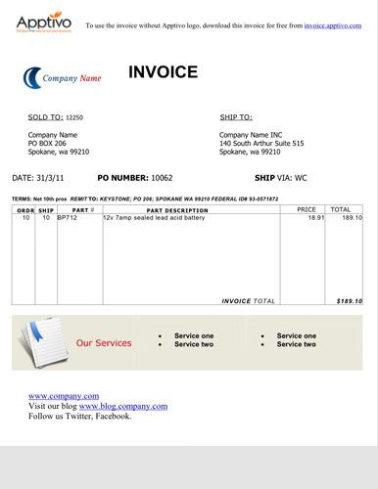

Above information in tabular form

Trans_No. | Date | Cust_No | Cust_ID | Cust_Name | Cust_Address | Cust_Mob. | Prod_ID | Prod_Name | Order_ID | Quantity | Price | Subtotal | Total Amount | Emp_ID | Emp_Name | Emp_Cont. | Emp_Position
1005 | 2022-01-01 | 23 | 3123 | Aditya | CKD | 9898989898 | 2233 | Air Filter | 12345 | 2 | 250 | 500 | 1300 | 221 | Ankit | 9797979797 | Sales Associate
 |  |  |  |  |  |  | 2134 | Break Pedal | 12346 | 1 | 300 | 300 | 1300 | 221 | Ankit | 9797979797 | Sales Associate
 |  |  |  |  |  |  | 2452 | Suspension | 12346 | 1 | 500 | 500 | 1300 | 245 | Ankur | 9696969696 | Sales Executive
1006 | 2022-07-01 | 67 | 4258 | Yograj | NDLS | 8181818181 | 2134 | Break Pedal | 22472 | 2 | 300 | 600 | 1600 | 245 | Ankur | 9696969696 | Sales Executive
 |  |  |  |  |  |  | 2452 | Suspension | 12348 | 2 | 500 | 1000 | 1600 | 245 | Ankur | 9696969696 | Sales Executive

N1
 |  |  |  |  |  | DATABASE NORMALIZATION

Fisrt Normal Form: No nested tables or Group of elements (No cell should be having multiple elements or a table)

 | Trans_No. | Date | Cust_No | Cust_ID | Cust_Name | Cust_Address | Cust_Mob. | Prod_ID | Prod_Name | Order_ID | Quantity | Price | Subtotal | Total Amount | Emp_ID | Emp_Name | Emp_Cont. | Emp_Position
 | 1005 | 2022-01-01 | 23 | 3123 | Aditya | CKD | 9898989898 | 2233 | Air Filter | 12345 | 2 | 250 | 500 | 1300 | 221 | Ankit | 9797979797 | Salesman
 | 1005 | 2022-01-02 | 23 | 3123 | Aditya | CKD | 9898989898 | 2134 | Break Pedal | 12346 | 1 | 300 | 300 | 1300 | 221 | Ankit | 9797979797 | Salesman
 | 1005 | 2022-01-03 | 23 | 3123 | Aditya | CKD | 9898989898 | 2452 | Suspension | 12348 | 1 | 500 | 500 | 1300 | 245 | Ankur | 9696969696 | Executive
 | 1006 | 2022-07-01 | 67 | 4258 | Yograj | NDLS | 8181818181 | 2134 | Break Pedal | 22472 | 2 | 300 | 600 | 1600 | 245 | Ankur | 9696969696 | Executive
 | 1006 | 2022-07-02 | 67 | 4258 | Yograj | NDLS | 8181818181 | 2452 | Suspension | 12348 | 2 | 500 | 1000 | 1600 | 245 | Ankur | 9696969696 | Executive

Primary Key: Each row has a Trans_No for every Prod_ID. Therefore, Composite Primary key- [Tans_No, Prod_ID]

 | Trans_No. | Date | Cust_No | Cust_ID | Cust_Name | Cust_Add | Cust_Mob. | Prod_ID | Prod_Name | Order_ID | Quantity | Price | Subtotal | Total Amount | Emp_ID | Emp_Name | Emp_Cont. | Emp_Position
 | 1005 | 2022-01-01 | 23 | 3123 | Aditya | CKD | 9898989898 | 2233 | Air Filter | 12345 | 2 | 250 | 500 | 1300 | 221 | Ankit | 9797979797 | Sales Associate
 | 1005 | 2022-01-02 | 23 | 3123 | Aditya | CKD | 9898989898 | 2134 | Break Pedal | 12346 | 1 | 300 | 300 | 1300 | 221 | Ankit | 9797979797 | Sales Associate
 | 1005 | 2022-01-03 | 23 | 3123 | Aditya | CKD | 9898989898 | 2452 | Suspension | 12348 | 1 | 500 | 500 | 1300 | 245 | Ankur | 9696969696 | Sales Executive
 | 1006 | 2022-07-01 | 67 | 4258 | Yograj | NDLS | 8181818181 | 2134 | Break Pedal | 22472 | 2 | 300 | 600 | 1600 | 245 | Ankur | 9696969696 | Sales Executive
 | 1006 | 2022-07-02 | 67 | 4258 | Yograj | NDLS | 8181818181 | 2452 | Suspension | 12348 | 2 | 500 | 1000 | 1600 | 245 | Ankur | 9696969696 | Sales Executive

Database now satisfies the two requirements of First Normal Form: atomicity and uniqueness. Therefore it fulfil the most basic criteria of a relational databse
Transaction Trans_No (PK)
Date
Cust_No
Cust_ID
Cust_Name Cust_Add
Cust_Mob
Prod_ID (PK) Prod_Name
Order_ID
Quantity
Price
Subtotal
Total Amount
Emp_ID
Emp_Name
Emp_Cont
Emp_Position

N2
 | DATABASE NORMALIZATION

Second Normal Form: No Dependencies on a part of a Composite Key

Field-by field Description:
Date depends only on Trans_ID
Cust_No, Cust_ID, Cust_Name, Cust_Add, Cust_Mob depends neither on Trans_ID or Prod_ID
Prod_Name depends only on Prod_ID
Order_ID depends neither on Trans_ID or Prod_ID (Assuming customer can orders two products in single oder with different Prod_ID)
Price, Quantity depends on Order_ID
Subtotal, Total Amounts are derieved fields
Emp_Name, Emp_Cont, Emp_Position depends on Emp_ID which depends neither on Trans_ID or Prod_ID

Regard Order_ID as dependent on both the transaction and product.
For simplicity, assume that price never changes, thus price fails Second Normal Form
Cust_ID (along with rest customer column) does not depend on either primary key. Date and Trans_No are meaningless without Cust_ID
Subtotal and Total Amount seems to depend on both the primary key but as they are derived products, they can be easily constructed outside database and including them would be redundant. Therefore, discard Subtotal and Total Amount

Creting new Tables Transaction and Products

Transaction Trans_No (PK)
Date
Cust_No
Cust_ID
Cust_Name Cust_Add
Cust_Mob
Order_ID
Emp_ID
Emp_Name
Emp_Cont
Emp_Position
Products
Prod_ID (PK)
Prod_Name
Quantity
Price

N3
 | DATABASE NORMALIZATION

Third Normal Form: No Dependencies on Non-Key Attributes

Fields Cust_ID, Cust_Name, Cust_Add, Cust_Mob depends on Cust_No, which is not part of primary key. Therefore, these fields belong in their own table with Cust_No as their primary key.
Similary creating order table wtih Order_ID as their primary key and employee table with Emp_ID as their primary key

Transaction Trans_No (PK)
Date
Order_ID (FK)
Cust_ID (FK)
Emp_ID (FK)
Customer
Cust_ID (PK)
Cust_No
Cust_Name
Cust_Mob
Cust_Add
Products
Prod_ID (PK)
Prod_Name
Price
Order
Order_ID (PK)
Cust_Id (FK)
Prod_ID (FK)
Quantity
Employee
Emp_ID (PK)
Emp_Name
Emp_Cont
Emp_Position

ERD
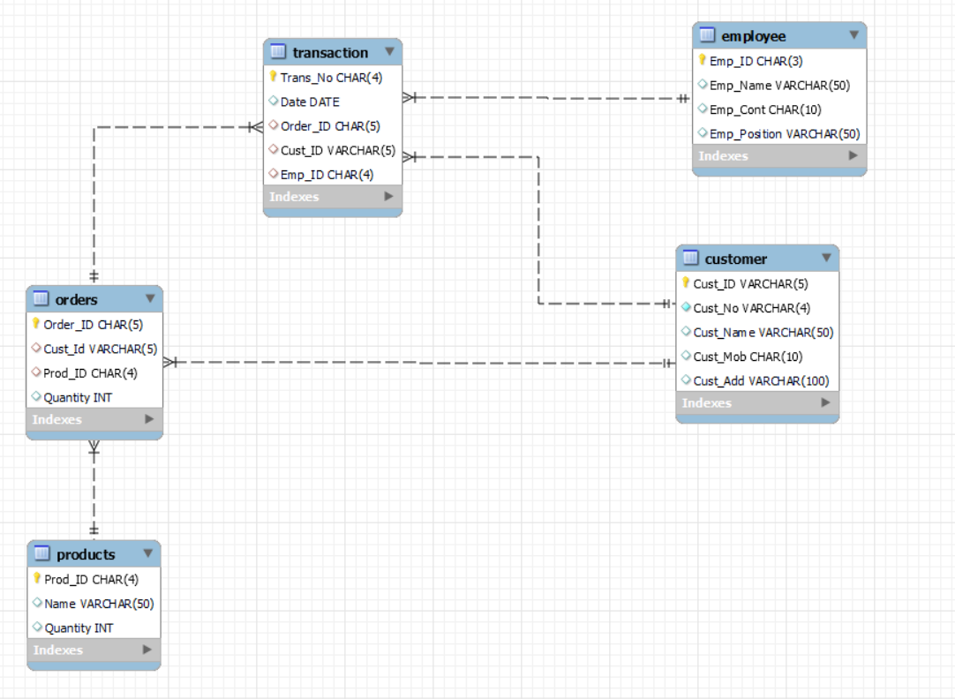
ER Diagram for Motorcycle Spare Parts Inventory Management System Database

